Sheet1
Debit Card Reports
 |  | 1 | Step 1: Click on the link “Channels One View”
 | Image

 |  | 2 | Step 2 Option 1: Select "Debit Card Details - IST"

 | Image

 |  |  | Step 2 Option 2: Enter the DC# Directly

 | Image

 |  | 3 | How to Read the Report?

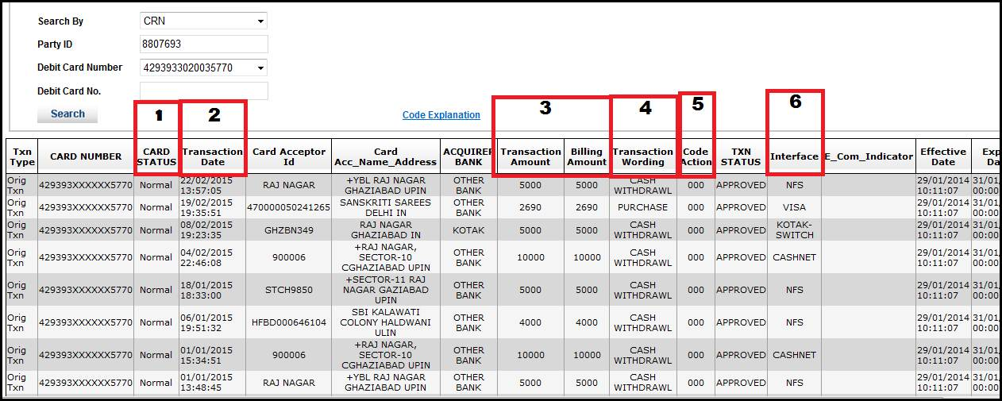
 | Image

 | Note |  | 1 | Card Status: EXISTING Card Status in DCMS; does NOT indicate the status at the time of Txn

 |  |  |  | DESCRIPTION |  | DETAILED DESCRIPTION
 |  |  |  | Normal |  | Active Card
 |  |  |  | Not activated Card |  | Issued But Not Active / Temp Blocked
 |  |  |  | Expired |  | Expired Card
 |  |  |  | Dormant |  | Card blocked for non usage for 720 days
 |  |  |  | Cancelled |  | Closed Card
 |  |  |  | Lost |  | Hotlisted Card
 |  |  |  | Stolen |  | Hotlisted Card

 | Note |  | 2 | Transaction Date: Both Date and Time of Debit Card Usage is mentioned

 | Note |  | 3 | Transaction Amount vs. Billing Amount: Transaction Amount and Billing Amount will be Different ONLY when the payment is in foreign currency

 |  |  |  | E.g If cm has used DC to make payment of $5 which is roughly Rs.300, then the Transaction Amount = 5 and Billing Amount = 300

 | Note |  | 4 | Transaction Wording: Describes NATURE OF TRANSACTION using Debit Card or Debit Card Credentials

 |  |  |  | TRANSACTION_WORDING |  |  | Explanation
 |  |  |  | API PIN VERIFY |  |  | Used Debit Card PIN for authentication at any of the Channels including NB,MB, IVR
 |  |  |  | BALANCE INQUIRY ATM |  |  | BALANCE INQUIRY ATM
 |  |  |  | BILLPAY |  |  | Bill Pay Transaction
 |  |  |  | BNA |  |  | Debit card used On BNA (Machine where DC credentials is used for verification E.g. Cash Deposit Kiosk)
 |  |  |  | CASH ADVANCE |  |  | Cash On POS Transaction
 |  |  |  | CASH DEPOSIT |  |  | CASH DEPOSIT
 |  |  |  | CASH WITHDRAWL |  |  | Cash Withdrawal Transaction
 |  |  |  | CHECKBOOKREQ |  |  | Cheque book Request
 |  |  |  | CHEQUE DEPOSIT |  |  | CHEQUE DEPOSIT
 |  |  |  | CHEQUE STATUS INQUIRY |  |  | CHEQUE STATUS INQUIRY
 |  |  |  | DTHRecharge |  |  | DTH Recharge
 |  |  |  | ForgotPinChangeRequest |  |  | Resetting PIN on channels like NB, MB, IVR
 |  |  |  | IMPS |  |  | IMPS Transfer
 |  |  |  | IMPS-UR |  |  | IMPS Transfer On Unregistered beneficiary
 |  |  |  | INSTANT BILL |  |  | Bill Pay transaction of Instant Bill
 |  |  |  | MINI STATEMENT |  |  | MINI STATEMENT
 |  |  |  | MOBILETopUp |  |  | Mobile Top Up
 |  |  |  | NEFT |  |  | NEFT on ATM
 |  |  |  | PENDING BILL |  |  | Bill Pay transaction of Pending Bill
 |  |  |  | PIN CHANGE |  |  | PIN CHANGE
 |  |  |  | PinChangeRequest |  |  | Changing the PIN by inputting old PIN
 |  |  |  | PURCHASE |  |  | POS or ECOM transaction
 |  |  |  | STATEMENTREQ |  |  | Statement Request
 |  |  |  | STOP CHEQUE REQUEST |  |  | STOP CHEQUE REQUEST
 |  |  |  | TD INQUIRY |  |  | TD INQUIRY
 |  |  |  | TPFT-RB |  |  | TPFT Txn using Registered beneficiary Option
 |  |  |  | TPFT-UR |  |  | TPFT Txn using Unregistered beneficiary Option
 |  |  |  | VMT |  |  | Visa Money Transfer

 | Note |  | 5 | Code Action: Describes Success/Failure Status of TRANSACTION using Debit Card or Debit Card Credentials; It also gives the REASONS for FAILURE

 |  |  |  | Highlighting the most important and frequently occuring Action Codes

 |  |  |  | ACTION_CODE | DESCRIPTION |  |  | Interpretation of Description
 |  |  |  | 000 | APPROVED |  |  | Txn Successful
 |  |  |  | 001 | DECLINED |  |  | Txn Unsuccessful
 |  |  |  | 003 | APPROVED (VIP) |  |  | Txn Successful
 |  |  |  | 004 | APPROVED,UPDATE TRACK 3 |  |  | Txn Successful
 |  |  |  | 007 | APPROVED,UPDATE CIRCUIT |  |  | Txn Successful
 |  |  |  | 100 | DO NOT HONOR |  |  | Cash/POS/Ecom Txn Unsuccessful due to Technical Failure or when the card is in dormant state
 |  |  |  | 101 | EXPIRED CARD |  |  | ATM/POS/Ecom Txn Unsuccessful due to Expired | DC PIN regeneration unsuccessful at IVR/NB due to incorrect input of Expiry Date
 |  |  |  | 102 | SUSPECTED FRAUD |  |  | Cash/POS/Ecom Txn Unsuccessful
 |  |  |  | 104 | RESTRICTED CARD |  |  | Txn Unsuccessful
 |  |  |  | 105 | CALL_ACQUIRER_SECURITY |  |  | Txn Unsuccessful
 |  |  |  | 106 | ALLOWABLE NUMBER OF PIN TRIES EXCEEDED |  |  | Txn Unsuccessful due to DC PIN locked due to 3 incorrect tries
 |  |  |  | 109 | INVALID MERCHANT |  |  | Txn Unsuccessful
 |  |  |  | 110 | INVALID INTERCHANG AMOUNT |  |  | Txn Declined as the amount inputted is less than the minimum amount. E.g. "0" is inputted or amount entered in decimal that is not applicable for the given txn
 |  |  |  | 111 | INVALID CARD NUMBER |  |  | Card is in closed status or Txn Declined as Card Setup in DCMS is not mapped in Switch. The query should be raised to ITOPS.
 |  |  |  | 112 | PIN DATA REQUIRED |  |  | Txn Unsuccessful
 |  |  |  | 114 | ACCOUNT_TYPE_NOEXIST |  |  | ATM Txn Unsuccessful if incorrect a/c type selected. E.g. if "Current" selected when there is no such account linked to the Debit Card
 |  |  |  | 115 | FUNCTION_NOT_SUPPORTED |  |  | ATM Txn Unsuccessful if cm selects an option on NON-KOTAK ATM that is not supported by Kotak
 |  |  |  | 116 | INSUFFICIENT FUNDS |  |  | ATM/POS/Ecom Txn Unsuccessful due to insufficient funds in the account(s) linked to the Debit Card
 |  |  |  | 117 | INCORRECT PIN |  |  | ATM/POS/Ecom Txn Unsuccessful due to incorrect DC PIN input | Incorrect PIN entered for any other reason on other channels - NB, MB, IVR
 |  |  |  | 119 | TXN NOT PERMITTED TO CARDHOLDER |  |  | ATM/POS/Ecom Txn Unsuccessful due to account linked to DC is Dormant/Debit Freeze/Total Freeze | POS Txn Unsuccessful due to PIN not inputted | Cash/POS/Ecom Txn Unsuccessful for international txn as the Debit Card is only for Domestic usage | Cash/POS/Ecom Txn Unsuccessful for financial txn as the Debit Card type is "Associate" | MOTO (mail-order/telephone-order) txn unsuccessful (this is not allowed on Kotak's DC) | POS txn unsuccessful as merchant manually keys-in the information rather than swiping the Card (mostly happens for international txn)
 |  |  |  | 120 | TXN NOT PERMITTED TO TERMINAL |  |  | Txn Unsuccessful
 |  |  |  | 121 | EXCEEDS WITHDRAWAL AMOUNT LIMIT |  |  | ATM/POS/Ecom Txn Unsuccessful due to Amount inputted for usage exceeds the Daily limit
 |  |  |  | 122 | SECURITY VIOLATION |  |  | ATM/POS/Ecom Txn Unsuccessful due to Technical reasons at the terminal where the DC is being used
 |  |  |  | 124 | VIOLATION_LAW |  |  | ATM/POS/Ecom Txn Unsuccessful due to Technical reasons
 |  |  |  | 126 | INVALID PIN FORMAT |  |  | ATM/POS Txn Unsuccessful if PIN entered at the terminal is NOT of 6 digits
 |  |  |  | 127 | PIN LENGTH ERROR |  |  | ATM/POS Txn Unsuccessful if PIN entered at the terminal is NOT of 6 digits
 |  |  |  | 128 | PIN KEY ERROR |  |  | Txn Unsuccessful
 |  |  |  | 129 | SUSPECTED MALFUNCTION |  |  | Txn Unsuccessful
 |  |  |  | 180 | NO CREDIT ACCOUNT |  |  | Txn Unsuccessful
 |  |  |  | 181 | NO CHEQUING ACCOUNT |  |  | Txn Unsuccessful
 |  |  |  | 182 | NO SAVING ACCOUNT |  |  | Txn Unsuccessful
 |  |  |  | 183 | INVALID CVV |  |  | POS Txn Unsuccessful due to CVV not read properly by the card reader
 |  |  |  | 184 | INVALID DATE |  |  | ATM Txn for NEFT Unsuccessful if txn inputted after NEFT cutoff time
 |  |  |  | 191 | CVV2 VERIFICATION FAILED |  |  | ECom Txn Unsuccessful due to CVV not inputted correctly | DC PIN regeneration unsuccessful at IVR/NB due to incorrect input of CVV2
 |  |  |  | 192 | NON AUTHENTICATED ECOM TXN |  |  | Txn Unsuccessful
 |  |  |  | 193 | TXN WITHOUT CVV2 |  |  | ECom Txn Unsuccessful due to CVV not inputted at all | DC PIN regeneration unsuccessful at IVR/NB due to NO input of CVV2
 |  |  |  | 200 | DO NOT HONOR, PICK-UP ( CAPTURE CARD ) |  |  | DC PIN Regeneration Unsuccessful due to Card Blocked - Dormant and card is retained by ATM
 |  |  |  | 203 | ERR_ACCEPTOR_CONTACT_ACQUIRER |  |  | ATM/POS/Ecom Txn Unsuccessful due to technical issues at the NON-KOTAK ATM or Merchant's end
 |  |  |  | 206 | FP_PIN_TRY_EXCEEDED |  |  | DC PIN regeneration unsuccessful 3 times due to incorrect credentials allowing only physical PIN to be issued
 |  |  |  | 208 | LOST CARD, PICK-UP |  |  | ATM/POS/Ecom Txn Unsuccessful due to Lost Card Status
 |  |  |  | 209 | STOLEN CARD, PICK-UP |  |  | ATM/POS/Ecom Txn Unsuccessful due to stolen Status
 |  |  |  | 302 | UNABLE TO LOCATE RECORD ON FILE |  |  | Txn Unsuccessful
 |  |  |  | 303 | ERR_DUP_REC_RECORD_REPLACED |  |  | Txn Unsuccessful
 |  |  |  | 304 | CONTROL FIELD EDIT ERROR |  |  | Txn Unsuccessful
 |  |  |  | 305 | LOCKED FILE |  |  | Txn Unsuccessful
 |  |  |  | 306 | ERR_NOT_SUCCESSFUL |  |  | Txn Unsuccessful
 |  |  |  | 307 | ERR_FORMAT_ERROR |  |  | Txn Unsuccessful
 |  |  |  | 308 | DUP_REC_RECORD_REJECTED |  |  | Txn Unsuccessful
 |  |  |  | 309 | ERR_UNKNOWN_FILE |  |  | Txn Unsuccessful
 |  |  |  | 400 | _ERR_ACCEPTED_ERROR400 |  |  | Txn Unsuccessful
 |  |  |  | 480 | NO ACTION TAKEN |  |  | Txn Unsuccessful
 |  |  |  | 481 | ALREADY ADJUSTED |  |  | Txn Unsuccessful
 |  |  |  | 493 | DECLINED BY ISSUER |  |  | Txn Unsuccessful
 |  |  |  | 500 | ERR_RECONCILED_IN_BALANCE |  |  | Txn Unsuccessful
 |  |  |  | 501 | ERR_RECONCILED_OUT_BALANCE |  |  | Txn Unsuccessful
 |  |  |  | 502 | ERR_AMOUNT_NOT_RECONCILED |  |  | Txn Unsuccessful
 |  |  |  | 503 | CUTOFF IS IN PROCESS (ERR_TOTALS_NOT_AVAILABLE) |  |  | Txn Unsuccessful
 |  |  |  | 580 | FP TRIES EXCEED |  |  | Txn getting declined due to exceed in attempt to reset the PIN from mobile banking/net banking/IVR due to entry of continuous CVV2 or expiry date. In such cases physical PIN has to be issued to customer
 |  |  |  | 581 | CUTOFF RECONCILIATION |  |  | Txn Unsuccessful
 |  |  |  | 582 | UNAVAILABLE CUTOFF RECONCILIATION WITH MEMBER |  |  | Txn Unsuccessful
 |  |  |  | 600 | ERR_ACCEPTED_ERROR600 |  |  | Txn Unsuccessful
 |  |  |  | 601 | ERR_UNABLE_TRACKBACK_ORIGIN_TRANSACT |  |  | Txn Unsuccessful
 |  |  |  | 602 | ERR_INVALID_REFERENCE_NUM |  |  | Txn Unsuccessful
 |  |  |  | 603 | ERR_PAN_REFERENCE_NUM_NOK |  |  | Txn Unsuccessful
 |  |  |  | 604 | ERR_POS_PHOTO_NOT_AVAILABLE |  |  | Txn Unsuccessful
 |  |  |  | 605 | ERR_ITEM_SUPPLIED |  |  | Txn Unsuccessful
 |  |  |  | 606 | ERR_REQUEST_UNFULFILLED |  |  | Txn Unsuccessful
 |  |  |  | 613 | ALREADY REGISTERED |  |  | Txn Unsuccessful
 |  |  |  | 700 | ERR_ACCEPTED_ERROR700 |  |  | Txn Unsuccessful
 |  |  |  | 800 | ERR_ACCEPTED_ERROR800 |  |  | Txn Unsuccessful
 |  |  |  | 900 | ERR_NO_FINANCIAL_LIABILITY_ACCEPTED |  |  | Txn Unsuccessful
 |  |  |  | 901 | ERR_FINANCIAL_LIABILITY_ACCEPTED |  |  | Txn Unsuccessful
 |  |  |  | 903 | RE-ENTER TRANSACTION |  |  | Txn Unsuccessful
 |  |  |  | 904 | ERR_FORMAT_ERROR_904 |  |  | Txn Unsuccessful
 |  |  |  | 905 | ERR_ACQUIRER_NOT_SUPPORTED |  |  | Txn Unsuccessful
 |  |  |  | 906 | ERR_CUTOVER_IN_PROCESS |  |  | Txn Unsuccessful
 |  |  |  | 907 | ERR_ISSUER_OR_SWITCH_INOPERATIVE |  |  | Txn Unsuccessful
 |  |  |  | 908 | UNABLE TO ROUTE TRANSACTION (OF FOREIGN_CARD) |  |  | Txn Unsuccessful
 |  |  |  | 909 | SYSTEM MALFUNTION |  |  | Txn unsuccessful as declined by VISA due to suspected frauds
 |  |  |  | 910 | ERR_CARD_ISSUER_SIGNED_OFF |  |  | Txn Unsuccessful
 |  |  |  | 911 | RESPONSE RECEIVED TOO LATE (TIMED_OUT) |  |  | Txn Unsuccessful
 |  |  |  | 912 | ISSUER OR SWITCH IS INOPERATIVE |  |  | Txn Unsuccessful due to Network fluctuation
 |  |  |  | 913 | ERR_DUPLICATE_TRANSMISSION |  |  | Txn Unsuccessful
 |  |  |  | 914 | UNABLE_TRACKBACK_ORIGIN_TRANSACT_914 |  |  | Txn Unsuccessful
 |  |  |  | 915 | ERR_CHECKPOINT_CUTOVER_ERROR |  |  | Txn Unsuccessful
 |  |  |  | 916 | ERR_MAC_INCORRECT |  |  | Txn Unsuccessful
 |  |  |  | 917 | ERR_MAC_KEY_SYNC_ERROR |  |  | Txn Unsuccessful
 |  |  |  | 918 | ERR_COMMUNICATION_KEY_UNAVAILABLE |  |  | Txn Unsuccessful
 |  |  |  | 919 | ERR_ENCRYPTION_KEY_SYNC_ERROR |  |  | Txn Unsuccessful
 |  |  |  | 920 | ERR_SECURITY_SOFT_HARD_TRY_ERROR |  |  | Txn Unsuccessful
 |  |  |  | 921 | ERR_SECURITY_SOFT_HARD_NOTRY_ERROR |  |  | Txn Unsuccessful
 |  |  |  | 922 | ERR_MESSAGE_NUM_OUTOF_SEQUENCE |  |  | Txn Unsuccessful
 |  |  |  | 923 | ERR_REQUEST_IN_PROGRESS |  |  | Txn Unsuccessful
 |  |  |  | 992 | UNKNOWN ISSUER ON SWITCH (ERR_SENDER_NOT_FOUND) |  |  | Txn Unsuccessful
 |  |  |  | 993 | UNABLE TO VERIFY PIN |  |  | ATM/POS Txn Unsuccessful if PIN entered at the terminal is NOT of 6 digits
 |  |  |  | 71 | International Transaction not allowed |  |  | Txn Unsuccessful

One View for Channel Status

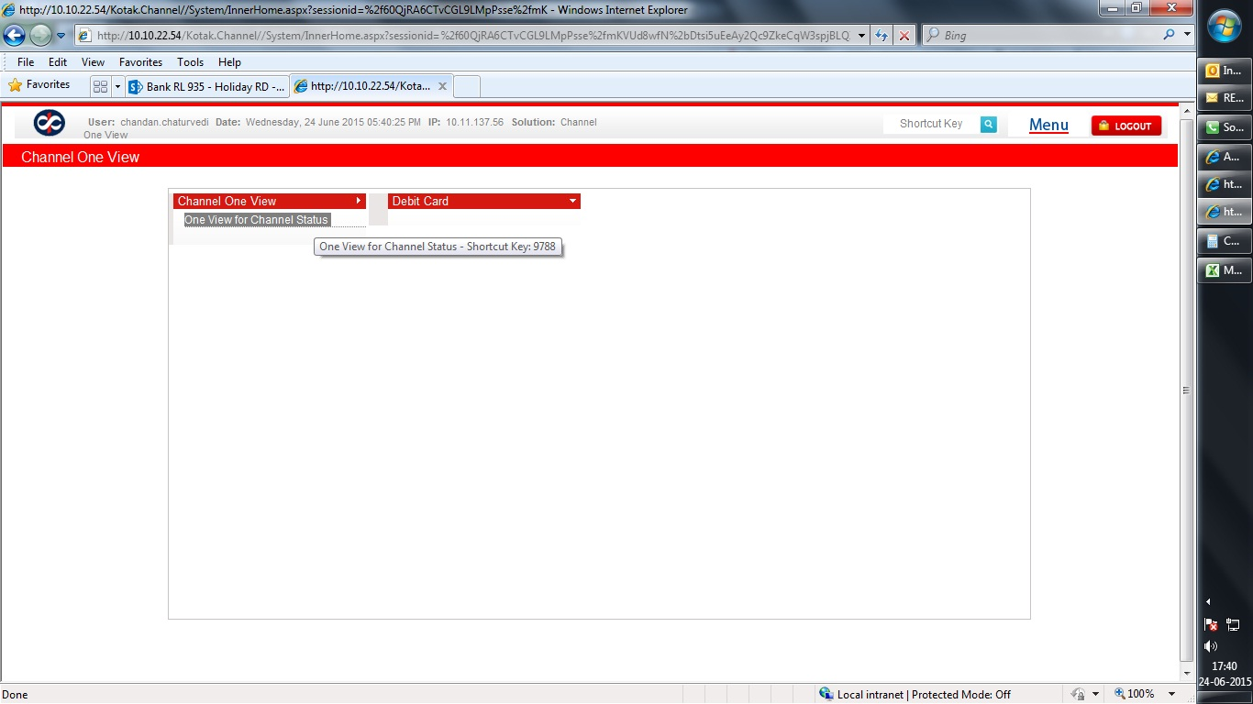
Click on "One View for Channel Status"
 | Image

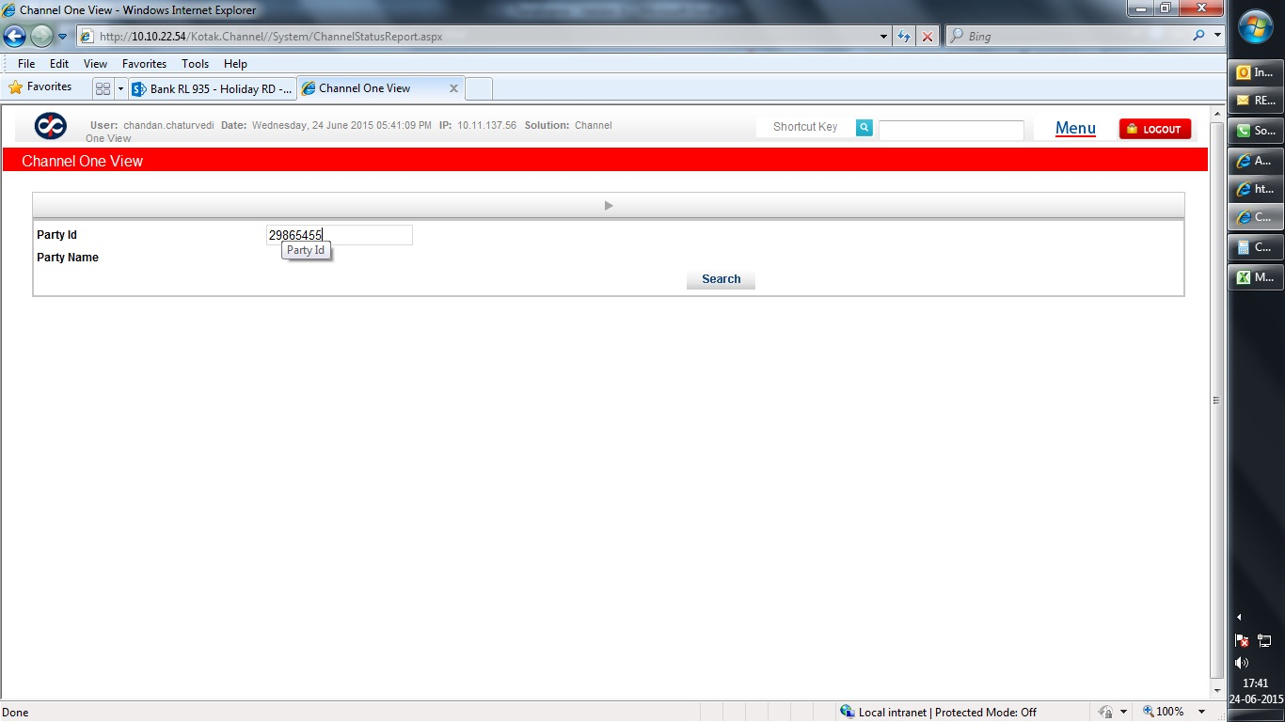
Enter CRN in "Party ID" & Click on "Search" button.
 | Image

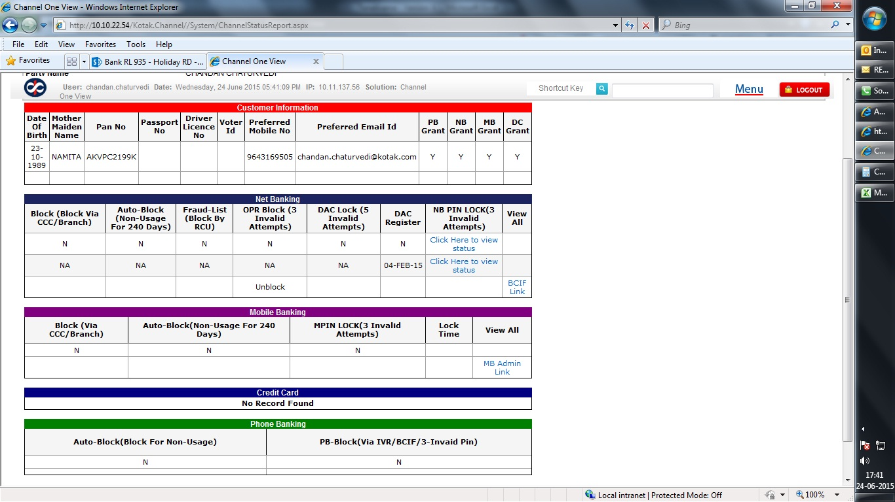
You can check all "Verification" parameters of customer. Like : DOB, MMN, PAN, Mobile#, E-mail ID, PB/NB/MB/DC access etc.
You can check customer NB access status, related to NB status, OPR status, Block/Unblock, DAC status, NB PIN status etc.
You can check customer MB access details reated to Channel access block, Auto-block or M-pin lock.
You can check customer PB access related details, Auto-block or PB channel status (Block/Unblock)
 | Image

End

